Guidance
RISK SCORING GUIDANCE & TOLERANCE

Type of Risk

Each risk must be aligned to one of the following objectives and is numbered to include the relevant code.

RC = | To ensure regulatory and compliance measures are in place
Op = | To ensure Operational tasks are recognised and performed
Fi = | To ensure matters relating to Financial efficiencies are recognised and addressed
Fu = | To ensure the Pension Account receives the correct monies in a timely manner

Impact

The descriptors below are for illustration only. The score should be determined using judgement and knowledge of the type of risk impacted by the risk.

Likelihood

Likelihood should be scored using either the description or % chance
Score | Likelihood | Descriptor | % chance
5 | Very likely | At least once in the next 12 months | 80-100%
4 | Likely | Once every 1 to 2 years | 60-79%
3 | Probable | Once every 2 to 5 years | 40-59%
2 | Very unlikely | Once every 5 to 10 years | 20-39%
1 | Remote | Less than once every 10 years | 0-19%

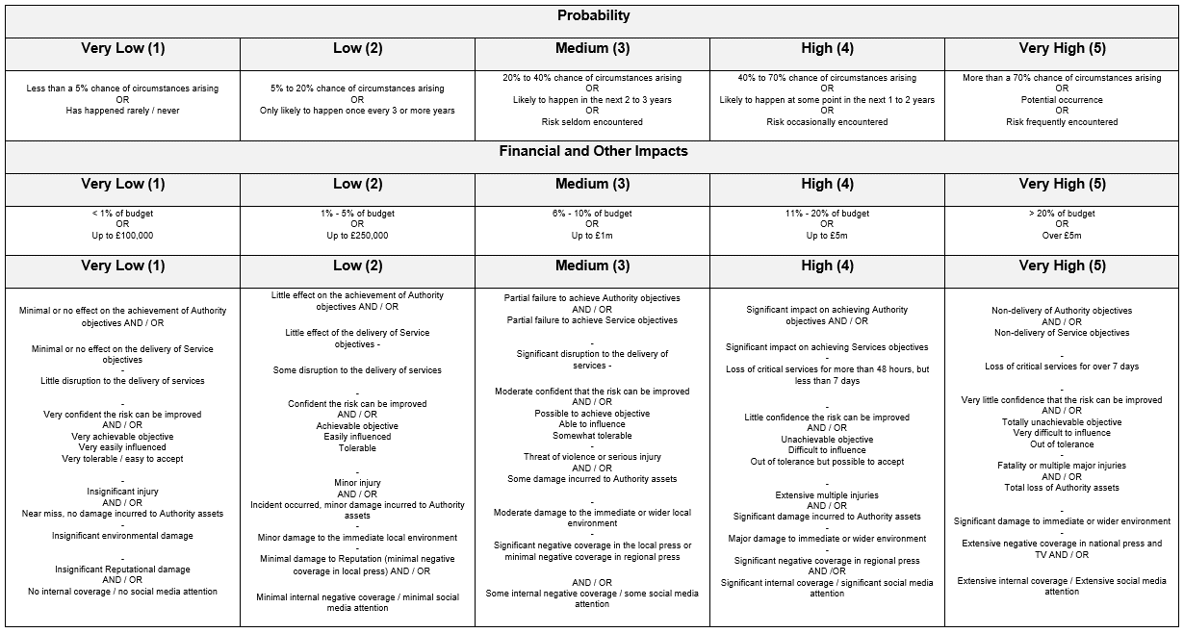

 |  |  |  | RAG ratings of green require no action

 |  |  |  | RAG ratings of amber require scrutiny from the pensions function head

 |  |  |  | RAG ratings of red require scrutiny from the pensions board members

A 5 x 5 risk matrix covering Probability and Impact is used when assessing the level of risk.

The risk 'score' is identified by considering the probability of the event occurring, and the impact of the risk, should it arise.

A numeric value is applied to each of the selections for probability and impact, and these are referenced in the risk matrix to give a 'RAG' rated risk score.

